Image Descriptions
S.no | Image Thumbnail | Content Asset:Long Description | Notes | Image ID | Action
1 | 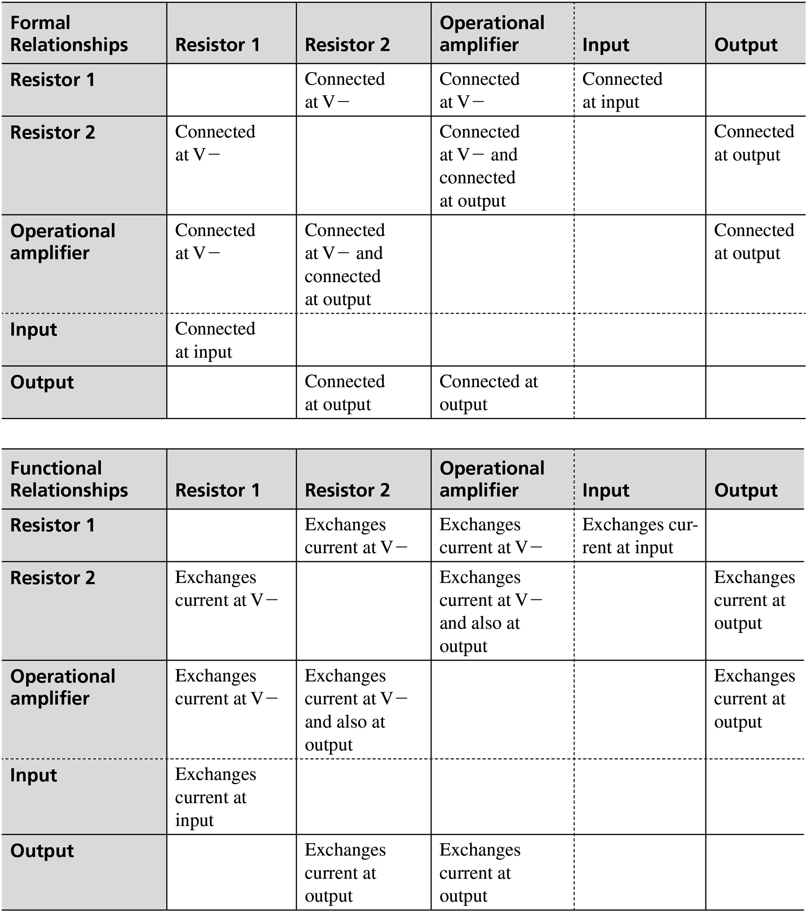 | <!DOCTYPE html> <html lang="en"> <head> <meta charset="UTF-8"> <meta http-equiv="X-UA-Compatible" content="IE=edge"> <meta name="viewport" content="width=device-width, initial-scale=1.0"> <title>MACHINE FORMAT TABLE </title> <style> .heading{ background-color: lightgray; } .border{ border: 1px; } #resistor{ background-color: lightgray; } #resistor1{ background-color: lightgray; } #operational{ background-color: lightgray; } #input{ background-color: lightgray; } #output{ background-color: lightgray; } table{ border-collapse:collapse ; } </style> </head> <body> <table border="1px" width="200" height="20px" frame="hsides" > <tr class="heading"> <th>Formal Realationships</th> <th>Resistor 1</th> <th>Resistor 2</th> <th style="border-right-style: dashed;">Operational amplifier</th> <th>Input</th> <th>Output</th> </tr> <tr> <td id="resistor1">Resistor 1</td> <td></td> <td>Connected at V-</td> <td style="border-right-style: dashed;">Connected at V-</td> <td>Connected at input</td> <td></td> </tr> <tr> <td id="resistor">Resistor 2</td> <td>Connected at V-</td> <td></td> <td style="border-right-style: dashed;">Connected at V- and connected at output</td> <td></td> <td>Connected at output</td> </tr> <tr> <td id="operational">Operational amplifier </td> <td>Connected at V-</td> <td>Connected at V- and connected at output </td> <td style="border-right-style: dashed;"></td> <td></td> <td>Connected at output</td> </tr> <tr class="input" style="border-top-sty
2 | 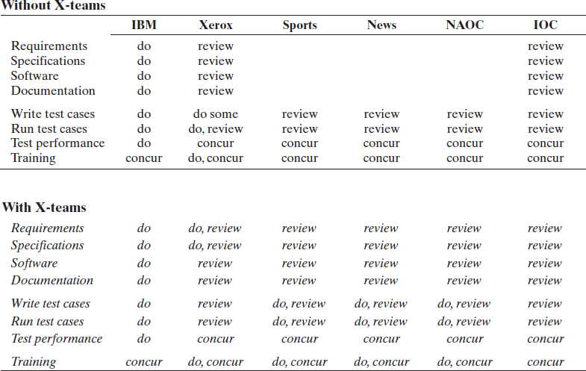 | <!DOCTYPE html> <html lang="en"> <head> <meta charset="UTF-8"> <meta http-equiv="X-UA-Compatible" content="IE=edge"> <meta name="viewport" content="width=device-width, initial-scale=1.0"> <title>Table2</title> <style> table{ border-collapse:collapse; } td{ text-align: center; } #ani{ text-align: left; border-bottom: 2px solid; } th{ border-bottom: 2px solid; } tr.su td{ border-bottom: 2px solid; } td.k { border-top: hidden; width:25%; } #v{ text-align: left; border-bottom: 0px; } #e{ text-align: center; } </style> </head> <body> <table width="50%" > <col span="1" class="s"> <tr><th colspan="7" id="ani">Without X-teams</th></tr> <tr> <th width="50%"></th> <th>IBM</th> <th >Xerox</th> <th>Sports</th> <th >News</th> <th >NAOC</th> <th >IOC</th> </tr> <tr > <td class="k" style="text-align:left">Requirements</td> <td >do</td> <td>review</td> <td></td><td></td><td></td> <td>review</td> </tr> <tr> <td style="text-align:left">Specifications</td> <td>do</td> <td>review</td> <td></td><td></td><td></td> <td>review</td> </tr> <tr> <td style="text-align:left">Software</td> <td>do</td> <td>review</td> <td></td><td></td><td></td> <td>review</td> </tr> <tr> <td style="text-align:left">Documentation</td> <td>do</td> <td>review</td><td></td><td></td><td></td> <td>review</td> </tr> <tr style="height:15px">
3 | 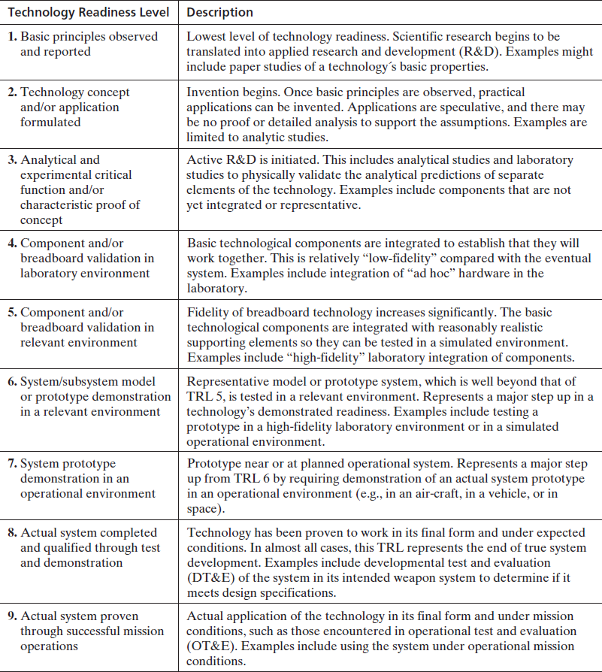 | <!DOCTYPE html> <html lang="en"> <head> <meta charset="UTF-8"> <meta http-equiv="X-UA-Compatible" content="IE=edge"> <meta name="viewport" content="width=device-width, initial-scale=1.0"> <title>Table3</title> <style> table{ border-collapse: collapse; margin-top: 50px; } </style> </head> <body> <table border="1px solid " frame="hsides"> <tr> <th>Technology Readiness Level</th> <th>Description</th> </tr> <tr> <td >1. Basic principles observed and reported </td> <td >Lowest level of technology readiness. Scientific research begins to be translated into applied research and development (R&amp;D). Examples might include paper studies of a technology\'s basic properties. </td> </tr> <tr> <td >2. Technology concept and/or application formulated </td> <td >Invention begins. Once basic principles are observed, practical applications can be invented. Applications are speculative, and there may be no proof or detailed analysis to support the assumptions. Examples are limited to analytic studies. </td> </tr> <tr> <td >3. Analytical and experimental critical function and/or characteristic proof of concept </td> <td >Active R&amp;D is initiated. This includes analytical studies and laboratory studies to physically validate the analytical predictions of separate elements of the technology. Examples include components that are not yet integrated or representative. </td> </tr> <tr> <td >4. Component and/or breadboard validation in laboratory environment </td> <td >Basic technological components are integrated to establish that they will work together. This is relatively "low-fidelity" compared with the eventual system. Examples include integration of "ad hoc" hardware in the laboratory. </td> </
4 | 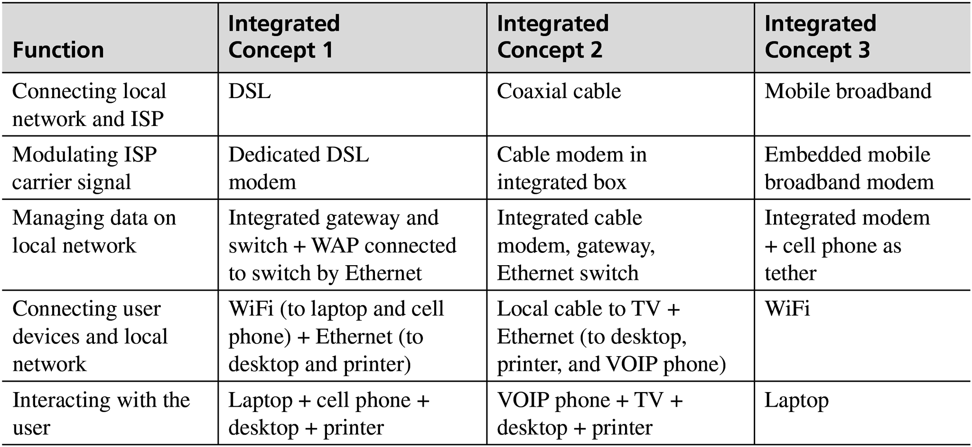 | <!DOCTYPE html> <html lang="en"> <head> <meta charset="UTF-8"> <meta http-equiv="X-UA-Compatible" content="IE=edge"> <meta name="viewport" content="width=device-width, initial-scale=1.0"> <title>Table5</title> <style> table{ border-collapse: collapse; } .p{ background-color:lightgray; color: black; } </style> </head> <body> <table border="1" frame="hsides" width="55%"> <tr class="p"> <th>Function</th> <th>Integrated Concept 1</th> <th>Integrated Concept 2</th> <th>Integrated Concept 3</th> </tr> <tr> <td>Connecting local network and ISP</td> <td>DSL</td> <td>Coaxial cable</td> <td>Mobile broadband</td> </tr> <tr> <td>Modulating ISP carrier signal</td> <td>Dedicated DSL modem</td> <td>Cable modem in integrated box</td> <td>Embedded mobile broadband modem</td> </tr> <tr> <td>Managing data on local network</td> <td>Integrated gateway and switch + WAP connected to switch by Ethernet</td> <td>Integrated cable modem, gateway, Ethernet switch</td> <td>Integrated modem + cell phone as tether</td> </tr> <tr> <td>Connecting user devices and local network</td> <td>WiFi (to laptop and cell phone) + Ethernet (to desktop and printer)</td> <td>Local cable to TV + Ethernet (to desktop, printer, and VOIP phone)</td> <td>WiFi</td> </tr> <tr> <td>Interacting with the user</td> <td>Laptop + cell phone + desktop + printer</td> <td>VOIP phone + TV + desktop + printer</td> <td>Laptop</td> </tr> </table> </body> </html>
5 | 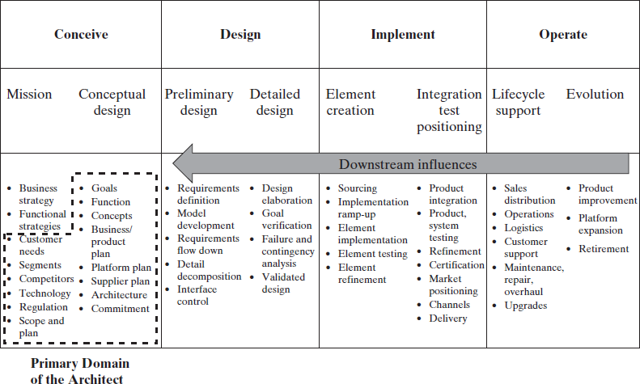 | <!DOCTYPE html> <html lang="en"> <head> <meta charset="UTF-8"> <meta http-equiv="X-UA-Compatible" content="IE=edge"> <meta name="viewport" content="width=device-width, initial-scale=1.0"> <title>Table7</title> <style> table{ border-collapse: collapse; } td{ text-align: center; } body{ box-sizing: border-box; margin-left: 10px; padding: 0%; } .R{ margin-left: 2px; border-right: hidden; padding-right: 70px; } th,td{ padding: 10px; } /* .m{ border-right: 0px; } */ .o{ border-right: hidden; } .s{ border-right: hidden; } .N{ border-right: hidden; } #p{ margin-left: 50px; } .sh{ border-left-style: dashed; border-bottom-style: dashed; border-top-style: dashed; } </style> </head> <body> <table border > <tr> <th colspan="2">Conceive</th> <th colspan="2">Design</th> <th colspan="2">Implement</th> <th colspan="2">Operate</th> </tr> <tr> <td style="border-right: hidden;">Mission</td> <td>Conceptual design</td> <td style="border-right: hidden;">Preliminary design</td> <td>Detailed design</td> <td style="border-right: hidden;">Element creation</td> <td>Integration test positioning</td> <td style="border-right: hidden;">Lifecycle support</td> <td>Evolution</td> </tr> <tr> <td colspan="8" class="arrow"><b>Downstream influences</b></td> </tr> <tr> <ul type="disc" > <td style="text-align:left" class="R" > <li>Business strategy</li> <li>Functional strategies</li> <div class="sh"> <li>Customer needs</li> <li>Segments</li> <li>Technology</li> <li>Regulatio
6 | 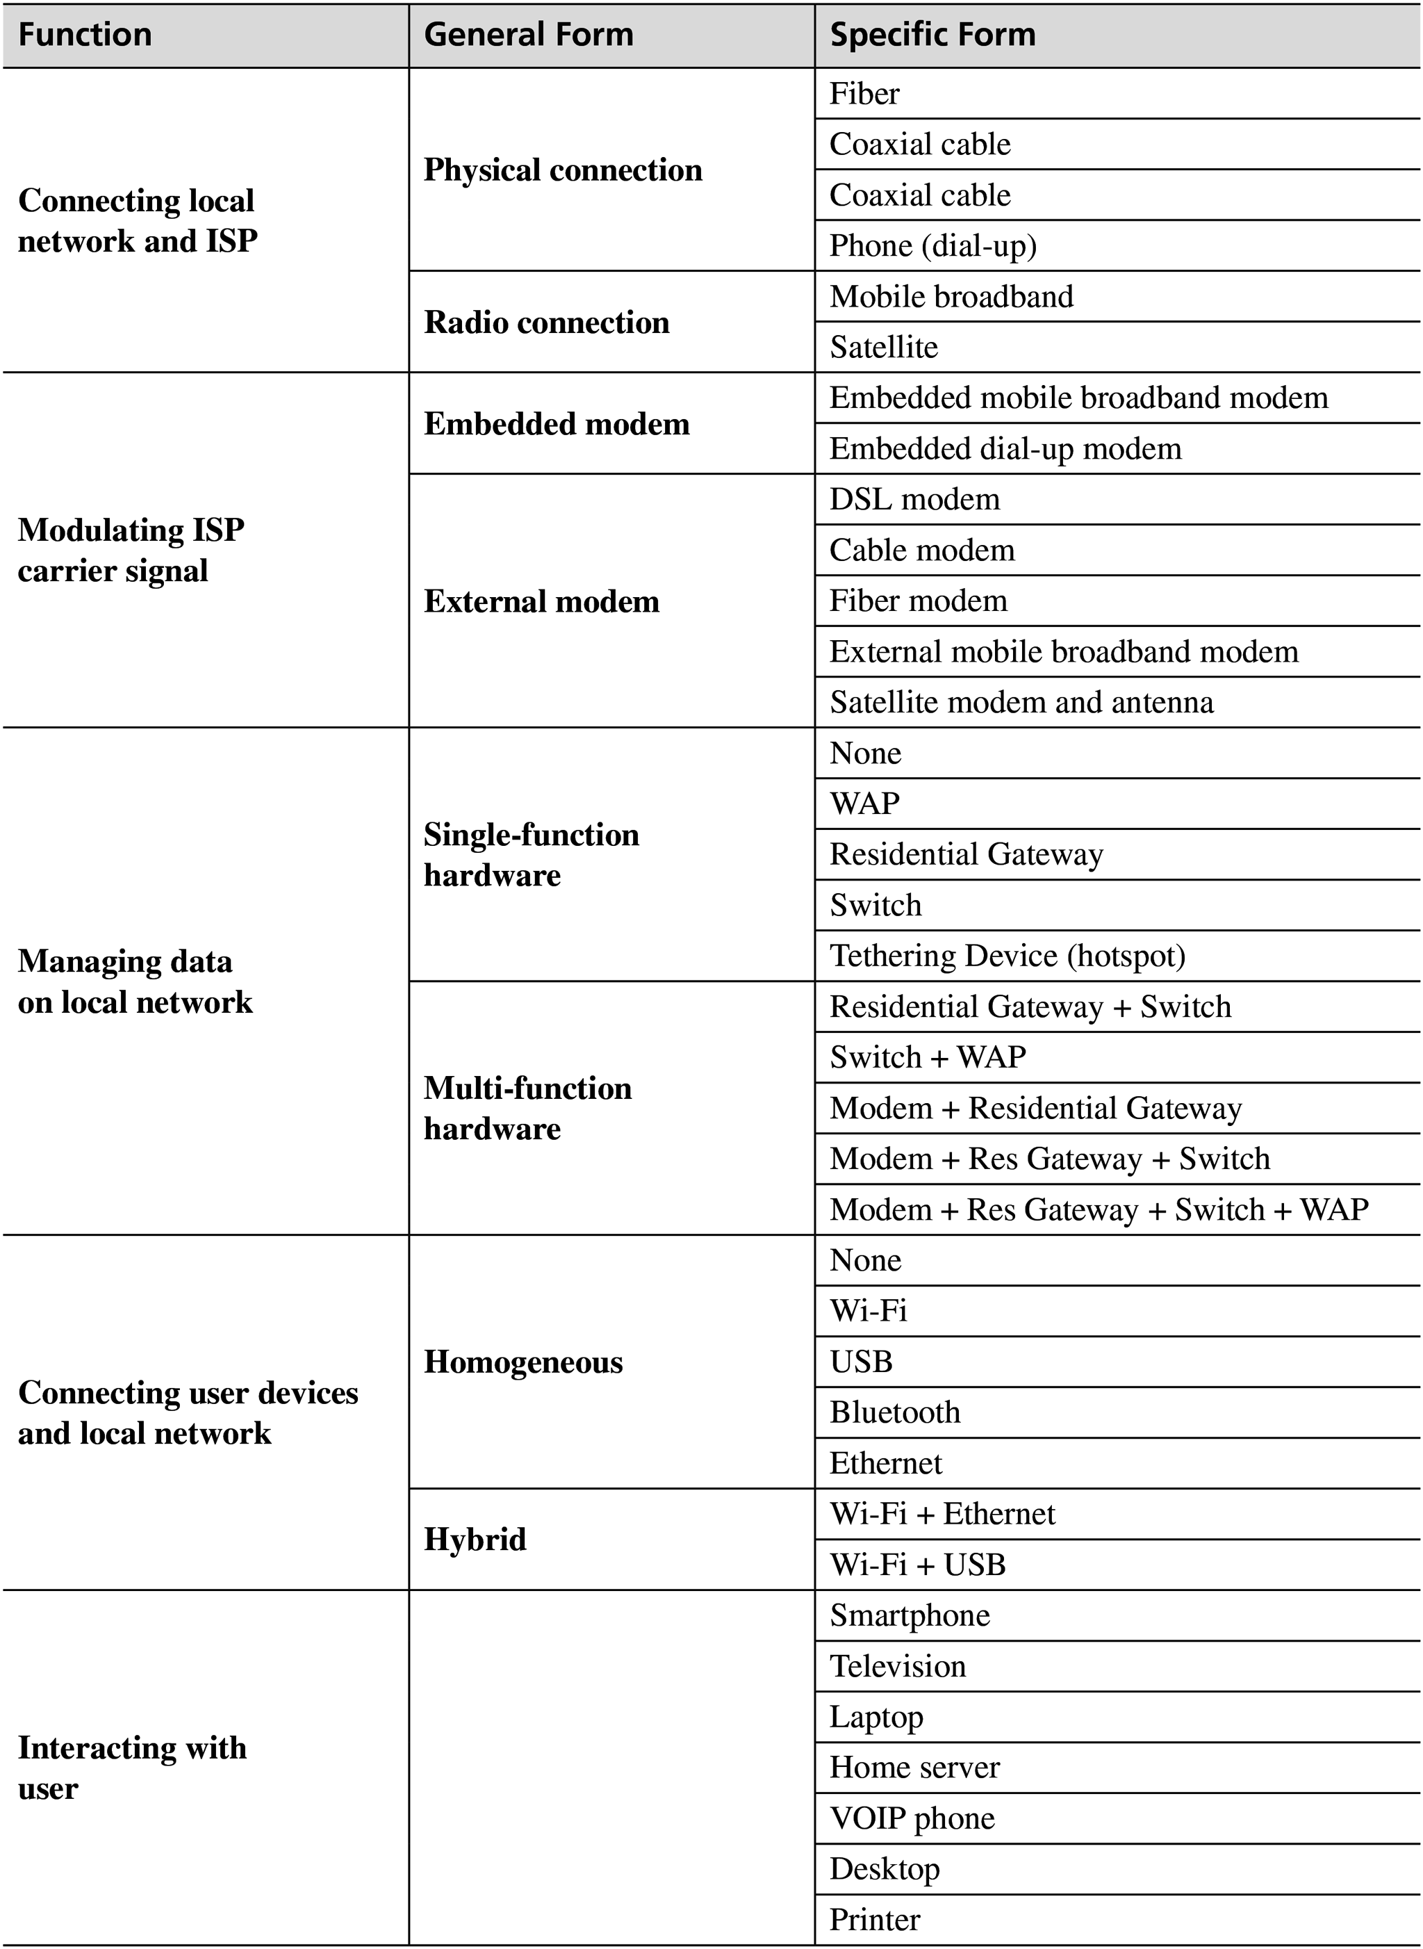 | <!DOCTYPE html> <html lang="en"> <head> <meta charset="UTF-8"> <meta http-equiv="X-UA-Compatible" content="IE=edge"> <meta name="viewport" content="width=device-width, initial-scale=1.0"> <title>Table6</title> <style> table{ border-collapse: collapse; } .m{ background-color: lightgray; } .f{ height: 350; width: 500; overflow: auto; } </style> </head> <body> <div class="f"> <table border frame="hsides"> <tr class="m"> <th>Function</th> <th>General Form</th> <th>Specific Form</th> </tr> <tr> <td rowspan="6">Connecting local network and ISP</td> <td rowspan="4">Physical connection</td> <td>Fiber</td> </tr> <tr> <td>Coaxial cable</td> </tr> <tr> <td>Coaxial cable</td> </tr> <tr> <td>Phone (dial-up)</td> </tr> <tr> <td rowspan="2">Radio Connection</td> <td>Mobile broadband</td> </tr> <tr> <td>Mobile broadband</td> </tr> <tr> <td rowspan="7">Modulating ISP carrier signal</td> <td rowspan="2">Embedded modem</td> <td>Embedded mobile broadband modem</td> </tr> <tr> <td>Embedded dial-up modem</td> </tr> <tr> <td rowspan="5">External modem</td> <td>DSL modem</td> </tr> <tr> <td>Cable modem</td> </tr> <tr> <td>Fiber modem</td> </tr> <tr> <td>External mobile broadband modem</td> </tr> <tr> <td>Satellite modem and antenna</td> </tr> <tr> <td rowspan="10">Managing data on local network</td> <td rowspan="5">Single-function hardware<
7 | 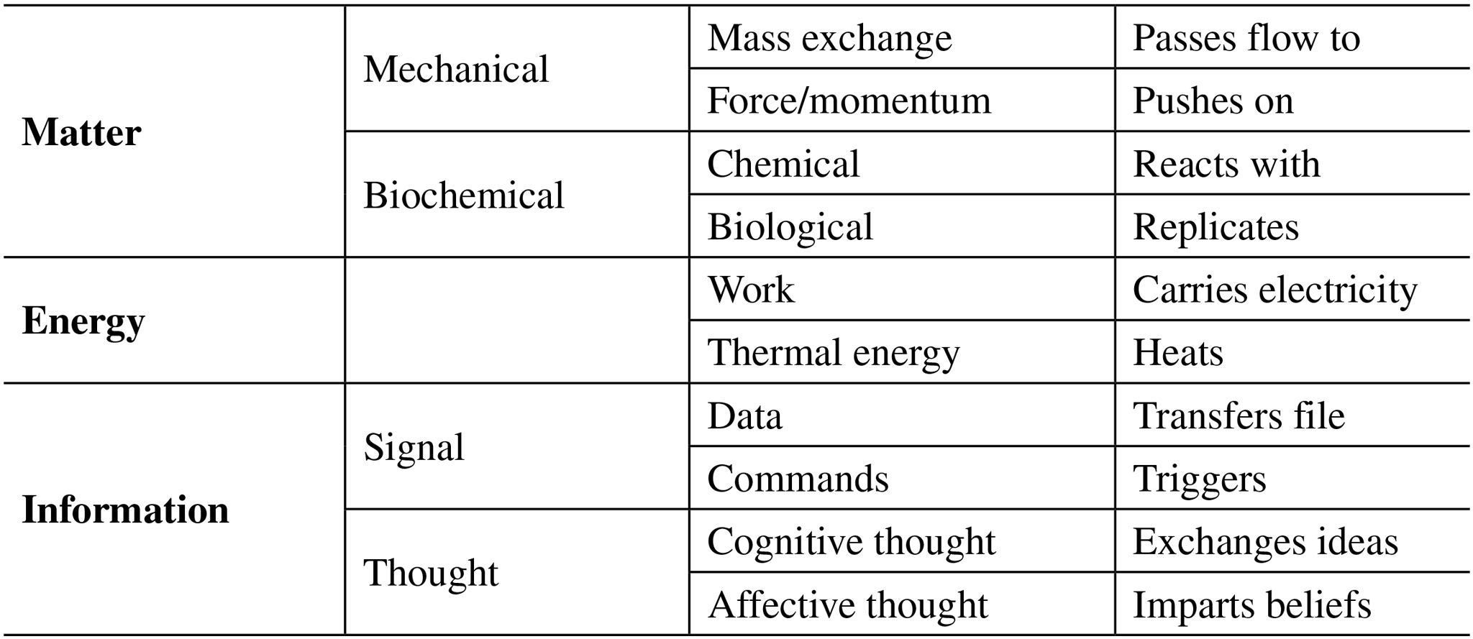 | <!DOCTYPE html> <html lang="en"> <head> <meta charset="UTF-8"> <meta http-equiv="X-UA-Compatible" content="IE=edge"> <meta name="viewport" content="width=device-width, initial-scale=1.0"> <title>Table4</title> <style> table{ border-collapse: collapse; } </style> </head> <body> <table border frame="hsides" width="50%"> <tbody> <tr> <th rowspan="4">Matter</th> <td rowspan="2">Mechanical</td> <td colspan="1">Mass exchange</td> <td colspan="1">Passes flow to</td> </tr> <tr> <td>Force/momentum</td> <td>Pushes on</td> </tr> <tr> <td rowspan="2">Biochemical</td> <td >Chemical</td> <td >Reacts with</td> </tr> <tr> <td >Biological</td> <td >Replicates</td> </tr> <tr> <th rowspan="2">Energy</th> <td rowspan="2"></td> <td >Work</td> <td >Carries electricity</td> </tr> <tr> <td >Thermal energy</td> <td >Heats</td> </tr> <tr> <th rowspan="4">Information</th> <td rowspan="2">Signal</td> <td >Data</td> <td >Transfer file</td> </tr> <tr> <td >Commands</td> <td >Triggers</td> </tr> <tr> <td rowspan="2">Thought</td> <td >Cognitive thought</td> <td >Exchanges ideas</td> </tr> <tr> <td >Affective thought</td> <td >Imparts beliefs</td> </tr> </tbody> </table> </body> </html>

